Hasnaa Rabie
ID | Title | Pre-condition | Steps | Test Data | ER | AR | Attachment | Designed By | Status | Type
TC_Amazon_Registration_001 | verify the Registration functionality using valid input (valid name, email,password) | 1- Check internet connection of your device 2- Chrome browser installed successfully 3- URL should be accessible | 1-open the URL "https://www.amazon.com/ap/register" 2- enter your name 3-enter your country code 4-enter mobile number 5-enter password 6-confirm your password 7- click on Continue boutton | 1- Name "Hasnaa" 2- Mobile "01156226082" 3- password "Has@1234" 4- confirm password "Has@1234" | user should go to the next page to verify mobile number to complete registration successfully | the user re-directed to the next page to verify mobile number | 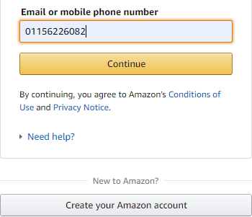 | Hasnaa Rabie | pass | function
TC_Amazon_Registration_002 | verify the Registration functionality using invalid name field (using character with special letter) | 1- Check internet connection of your device 2- Chrome browser installed successfully 3- URL should be accessible | 1-open the URL "https://www.amazon.com/ap/register" 2- enter your name 3-enter your country code 4-enter mobile number 5-enter password 6-confirm your password 7- click on Continue boutton | 1- Name "Has&&" 2- Mobile "01156226082" 3- password "Has@1234" 4- confirm password "Has@1234" | user couldn't go to the next page to complete registration successfully (An error message appear to explain the invalid name used) | the user re-directed to the next page to verify mobile number | 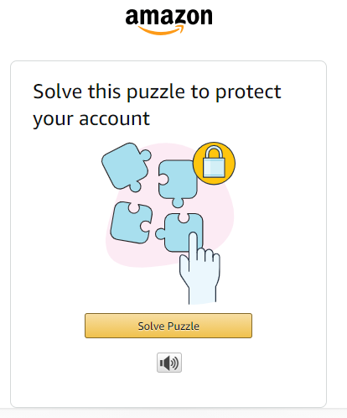 | Hasnaa Rabie | fail | function
TC_Amazon_Registration_003 | verify the Registration functionality using invalid empty name field | 1- Check internet connection of your device 2- Chrome browser installed successfully 3- URL should be accessible | 1-open the URL "https://www.amazon.com/ap/register" 2- enter your name 3-enter your country code 4-enter mobile number 5-enter password 6-confirm your password 7- click on Continue boutton | 1- Name " " 2- Mobile "01156226082" 3- password "Has@1234" 4- confirm password "Has@1234" | user couldn't go to the next page to complete registration successfully (An error message appear to explain the name is maondatory field) | as expected result(An error message appear to explain the name is maondatory field) | 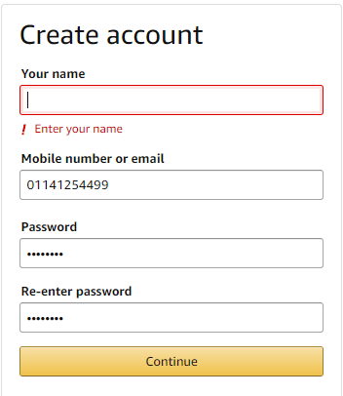 | Hasnaa Rabie | Pass | function
TC_Amazon_Registration_004 | verify the Registration functionality using invalid mobile number | 1- Check internet connection of your device 2- Chrome browser installed successfully 3- URL should be accessible | 1-open the URL "https://www.amazon.com/ap/register" 2- enter your name 3-enter your country code 4-enter mobile number 5-enter password 6-confirm your password 7- click on Continue boutton | 1- Name "Hasnaa" 2- Mobile "00000000000" 3- password "Has@1234" 4- confirm password "Has@1234" | user couldn't go to the next page to complete registration successfully | the user re-directed to the next page to verify mobile number | 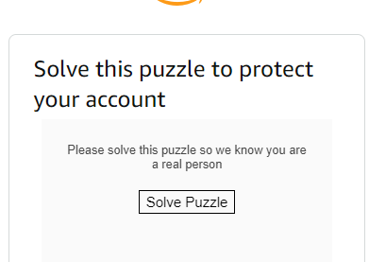 | Hasnaa Rabie | Fail | function
TC_Amazon_Registration_005 | verify the Registration functionality using empty mobile number field | 1- Check internet connection of your device 2- Chrome browser installed successfully 3- URL should be accessible | 1-open the URL "https://www.amazon.com/ap/register" 2- enter your name 3-enter mobile number 4-enter password 5-confirm your password 7- click on Continue boutton | 1- Name "Hasnaa" 2- Mobile " " 3- password "Has@1234" 4- confirm password "Has@1234" | user couldn't go to the next page to complete registration successfully | as expected result(An error message appear to explain the mobile number is maondatory field) | 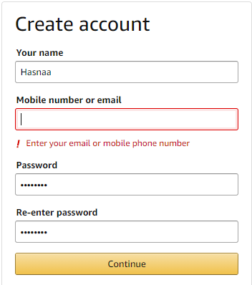 | Hasnaa Rabie | Pass | function
TC_Amazon_Registration_006 | verify the Registration functionality using empty password field | 1- Check internet connection of your device 2- Chrome browser installed successfully 3- URL should be accessible | 1-open the URL "https://www.amazon.com/ap/register" 2- enter your name 3-enter your country code 4-enter mobile number 5-enter password 6-confirm your password 7- click on Continue boutton | 1- Name "Hasnaa" 2- Mobile "01156226082 " 3- password " " 4- confirm password "Has@1234" | user couldn't go to the next page to complete registration successfully | as expected result(An error message appear to explain the password is maondatory field) |  | Hasnaa Rabie | Pass | function
TC_Amazon_Registration_007 | verify the Registration functionality using invalid password (less than 6 character) | 1- Check internet connection of your device 2- Chrome browser installed successfully 3- URL should be accessible | 1-open the URL "https://www.amazon.com/ap/register" 2- enter your name 3-enter mobile number 4-enter password 5-confirm your password 7- click on Continue boutton | 1- Name "Hasnaa" 2- Mobile "01156226082 " 3- password "123 " 4- confirm password "123" | user couldn't go to the next page to complete registration successfully | as expected result(An error message appear to explain the password must contain at least 6 character is maondatory field) | 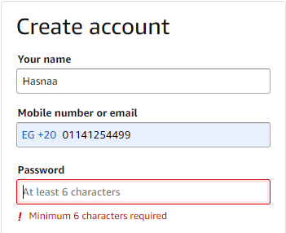 | Hasnaa Rabie | Pass | function
TC_Amazon_Registration_008 | verify the Registration functionality using invalid password ( using long password) | 1- Check internet connection of your device 2- Chrome browser installed successfully 3- URL should be accessible | 1-open the URL "https://www.amazon.com/ap/register" 2- enter your name 3-enter your country code 4-enter mobile number 5-enter password 6-confirm your password 7- click on Continue boutton | 1- Name "Hasnaa" 2- Mobile "01156226082 " 3- password "123456789012345678901234567890 " 4- confirm password "123456789012345678901234567890" | user couldn't go to the next page to complete registration successfully | the user re-directed to the next page to verify mobile number | 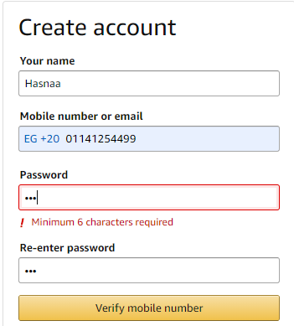 | Hasnaa Rabie | Fail | function
TC_Amazon_Registration_009 | verify the Registration functionality using invalid password ( using special character only) | 1- Check internet connection of your device 2- Chrome browser installed successfully 3- URL should be accessible | 1-open the URL "https://www.amazon.com/ap/register" 2- enter your name 3-enter your country code 4-enter mobile number 5-enter password 6-confirm your password 7- click on Continue boutton | 1- Name "Hasnaa" 2- Mobile "01156226082 " 3- password "%%%&&& " 4- confirm password "%%%&&&" | user couldn't go to the next page to complete registration successfully | the user re-directed to the next page to verify mobile number | 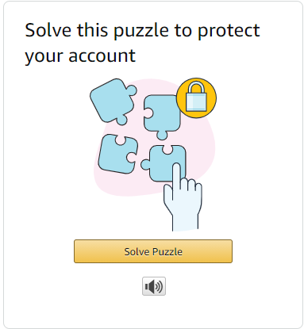 | Hasnaa Rabie | Fail | function
TC_Amazon_Registration_010 | verify the Registration functionality using valid name ( using two character only) | 1- Check internet connection of your device 2- Chrome browser installed successfully 3- URL should be accessible | 1-open the URL "https://www.amazon.com/ap/register" 2- enter your name 3-enter your country code 4-enter mobile number 5-enter password 6-confirm your password 7- click on Continue boutton | 1- Name "Ha" 2- Mobile "01156226082 " 3- password "Has@1234 " 4- confirm password "Has@1234" | user should go to the next page to complete registration successfully | the user re-directed to the next page to verify mobile number |  | Hasnaa Rabie | Pass | function
TC_Amazon_Registration_011 | verify the Registration functionality using invalid name ( using long name field) | 1- Check internet connection of your device 2- Chrome browser installed successfully 3- URL should be accessible | 1-open the URL "https://www.amazon.com/ap/register" 2- enter your name 3-enter your country code 4-enter mobile number 5-enter password 6-confirm your password 7- click on Continue boutton | 1- Name "Hasnaaaaaaaaaaaaaaaaaaaaaaaaaaaaaaaaaaaaaaa aaaaaaaaaaaaaaaaaaaaaaaaaaaaaaaaaaaaaaaaaaaaaaaaaaaaaaaaaaaaaaaaaaaaa" 2- Mobile "01156226082 " 3- password "Has@1234 " 4- confirm password "Has@1234" | user couldn't go to the next page to complete registration successfully | user couldn't go to the next page to complete registration successfully you can't enter the letter inside a Name field more than 50 character |  | Hasnaa Rabie | Pass | function
TC_Amazon_Registration_012 | verify the Registration functionality using invalid country code | 1- Check internet connection of your device 2- Chrome browser installed successfully 3- URL should be accessible | 1-open the URL "https://www.amazon.com/ap/register" 2- enter your name 3-enter your country code 4-enter mobile number 5-enter password 6-confirm your password 7- click on Continue boutton | 1- Name "Hasnaa" 2- country code "+00" 3- Mobile "01156226082 " 4- password "Has@1234 " 5- confirm password "Has@1234" | user couldn't go to the next page to complete registration successfully | user couldn't go to the next page to complete registration successfully an error message appear tell user should enter the valid country code |  | Hasnaa Rabie | Fail | function
TC_Amazon_Registration_013 | verify the Registration functionality using invalid password without special character | 1- Check internet connection of your device 2- Chrome browser installed successfully 3- URL should be accessible | 1-open the URL "https://www.amazon.com/ap/register" 2- enter your name 3-enter your country code 4-enter mobile number 5-enter password 6-confirm your password 7- click on Continue boutton | 1- Name "Hasnaa" 2- Country code "+20" 3- Mobile "01156226082 " 4- password "Has1234 " 5- confirm password "Has1234" | user couldn't go to the next page to complete registration successfully | user couldn't go to the next page to complete registration successfully an error message appear tell user should enter a valid password |  | Hasnaa Rabie | Fail | function

